Template Help
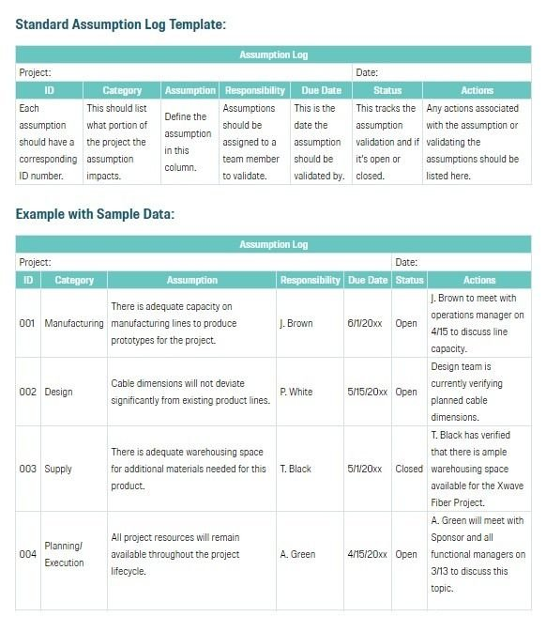
Overview / grading requirements:
An assumption log is a document that a project manager utilizes to capture, record, and track assumptions on a project throughout its life cycle. It is the list of all assumptions identified as affecting the project. (may include constraints)
An assumption log is simply a place to log all assumptions and track the validation of each one. We make project assumptions out of necessity.
The assumption log should contain the following items for each assumption: The date the assumption was first logged. A category for the assumption, e.g. budget, scheduling, product. A name and description for the assumption.

Helpful Links:
https://www.projectmanagementdocs.com/template/project-documents/assumption-log/
https://www.youtube.com/watch?v=C9hifA0M7r8

Example:

